Outputs
Layout Outputs Setup
 |  |  | Board 1-N (Brew TT) MOTDRV1 |  | Board 2-A (Brewery) MOTDRV2 |  |  |  | Board 2-A (Brewery) MOTDRV2A |  | Board 3-B (Flour) MOTDRV3 |  | Board 4-C (Loco Yard) MOTDRV4 |  |  | Board 4-C (Loco Yard) MOTDRV4A |  | Board 5-D (Loco TT) MOTDRV5 | LOCO FY Route | BREW FY Route | Loco FY FB | Brew FY FB
 |  |  | P13 | P14 | P15 | P16 | P17 | P18 | P19 | P20 | P21 | P22 | P23 | P24A/B | P25 | P26 | P27 | P57 | Set | Set | Monitored | Monitored
Item | Command: | Output: | OP1/2 | OP3/4 | OP1/2 | OP3/4 | OP5/6 | OP7/8 | OP1/2 | OP3/4 | OP1/2 | OP3/4 | OP1/2 | OP3/4/5/6 | OP7/8 | OP1/2 | OP3/4 | OP1/2 |  |  |  |  | A bank Output:
 | Event: | Monitor: | 101 | 102 | 111 | 112 | 113 | 114 | 115 | 116 | 131 | 132 | 151 | 152 | 153 | 154 | 155 | 171
Set Route CWB (Move 1) | 1 | 301 | − | OFF | − | OFF | − | − | ON | OFF | OFF | ON | − | − | − | − | − | − | Inner E63 | Outer E64 | 203 | 231 | −
Set Route NGTT (Move 2) | 2 | 302 | OFF | ON | OFF | ON | − | OFF | OFF | OFF | OFF | OFF | OFF | OFF | OFF | − | OFF | ON | Inner E63 | Centre E65 | − | 232 | 312
Set Route SGTT/CWA (Move 3) | 3 | 303 | − | OFF | − | OFF | OFF | ON | OFF | OFF | OFF | OFF | ON | − | − | − | − | − | Inner E63 | Centre E65 | 203 | 232 | 313
Set Route ACW (Move 4) | 4 | 304 | − | OFF | OFF | ON | − | OFF | OFF | OFF | OFF | OFF | OFF | OFF | OFF | − | OFF | OFF | Inner E63 | Inner E66 | 203 | 233 | 314
Set Route SGTT (Move 5) | 5 | 305 | − | − | − | ON | OFF | ON | OFF | OFF | OFF | OFF | ON | ON | − | − | − | OFF | Outer E61 | Outer E64 | 201 | 231 | 315
Set Route CWC (Move 6) | 6 | 306 | − | − | − | ON | − | − | ON | OFF | OFF | ON | − | ON | − | − | − | OFF | Centre E62 | Outer E64 | 202 | 231 | −

 |  |  |  |  |  |  |  | Monitored by CONMOD6 |  |  |  | Monitored by CONMOD6A |  |  |  | Not monitored. Included to remove ambiguity. |  |  |  |  |  | Not monotored

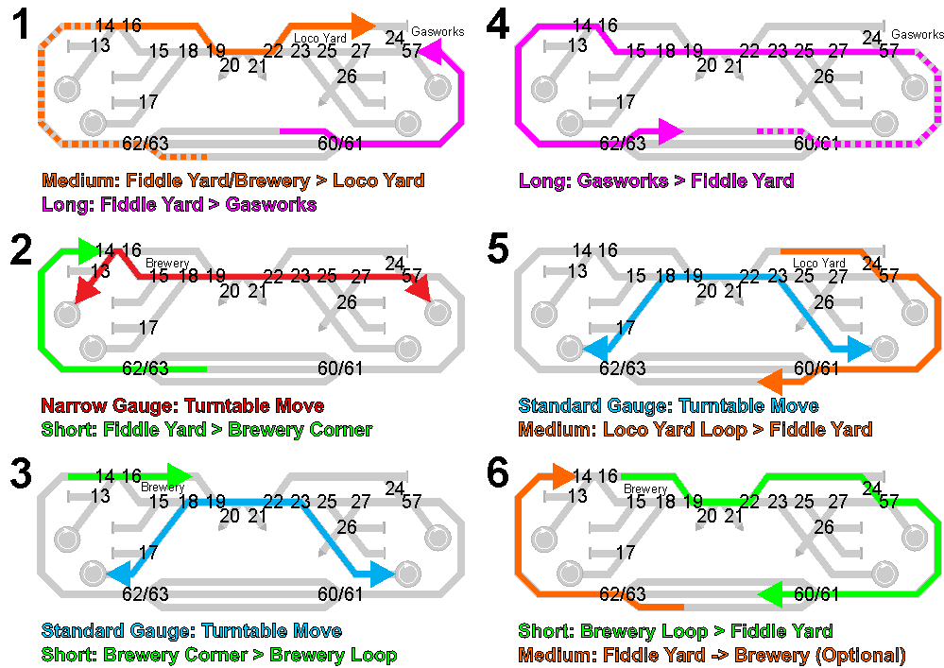
 |  |  | Board 8-G (Loco FY) |  |  | Board 11-K (Brew FY)
 |  |  | MOTDRV8 |  |  | MOTDRV11
 |  |  | P60 | P61 | Track | P62 | P63 | Track
Item | Event | Monitor | OP1/2 | OP3/4 | Selected | OP1/2 | OP3/4 | Selected
Loco Fiddle Route Outer | 61 | 201 | OFF | OFF | Outer | − | − | −
Loco Fiddle Route Centre | 62 | 202 | OFF | ON | Centre | − | − | −
Loco Fiddle Route Inner | 63 | 203 | ON | ON | Inner | − | − | −
Brew Fiddle Route Outer | 64 | 231 | − | − | − | ON | ON | Outer
Brew Fiddle Route Centre | 65 | 232 | − | − | − | OFF | ON | Centre
Brew Fiddle Route Inner | 66 | 233 | − | − | − | OFF | OFF | Inner
Set Route CWB (Move 1) | 1 |  | ON | ON | Inner | ON | ON | Outer
Set Route NGTT (Move 2) | 2 |  | ON | ON | Inner | OFF | ON | Centre
Set Route SGTT/CWA (Move 3) | 3 |  | ON | ON | Inner | OFF | ON | Centre
Set Route ACW (Move 4) | 4 |  | ON | ON | Inner | OFF | OFF | Inner
Set Route SGTT (Move 5) | 5 |  | OFF | OFF | Outer | ON | ON | Outer
Set Route CWC (Move 6) | 6 |  | OFF | ON | Centre | ON | ON | Outer

Fiddle Yard LEDs |  |  | Board 8-G (Loco FY) MOTDRV8 |  |  | Board 11-K (Brew FY) MOTDRV11
 |  |  | Outer LED | Centre LED | Inner LED | Outer LED | Centre LED | Inner LED
Item | Event | Output: | OP5 | OP6 | OP7 | OP5 | OP6 | OP7
Board 8 - Loco Fiddle Route Outer | 201 |  | ON | OFF | OFF | - | - | -
Board 8 - Loco Fiddle Route Centre | 202 |  | OFF | ON | OFF | - | - | -
Board 8 - Loco Fiddle Route Inner | 203 |  | OFF | OFF | ON | - | - | -
Board 11 - Brew Fiddle Route Outer | 231 |  | - | - | - | ON | OFF | OFF
Board 11 - Brew Fiddle Route Centre | 232 |  | - | - | - | OFF | ON | OFF
Board 11 - Brew Fiddle Route Inner | 233 |  | - | - | - | OFF | OFF | ON

Turntable LEDs |  |  | Board 1-N (Brew TT) MOTDRV1 |  | Board 5-D (Loco TT) MOTDRV5
 |  |  | TT1-NGR LED+ | TT2-SGR LED+ | TT5-NGL LED+ | TT4-SGL LED+
Item | Event | Output: | OP5 | OP6 | OP5 | OP6
Board 1 - Brew NGTT and Route Ready | 283 |  | − | − | ON | −
Board 1 - Brew SGTT and Route Ready | 284 |  | − | − | − | ON
Board 5 - Loco NGTT and Route Ready | 281 |  | ON | − | − | −
Board 5 - Loco SGTT and Route Ready | 282 |  | − | ON | − | −
 |  |  | Note: TT LEDs now use 0 volts to cathodes.

Move/Route LEDs |  |  | Board 1-N (Brew TT) |  | Board 5-D (Loco TT
Item | Event | Output: | Route LED- OP 7 |  | Route LED- OP 7
Move/Route 1 commanded | 1 |  | ON |  | ON
Move/Route 2 commanded | 2 |  | ON |  | ON
Move/Route 3 commanded | 3 |  | ON |  | ON
Move/Route 4 commanded | 4 |  | ON |  | ON
Move/Route 5 commanded | 5 |  | ON |  | ON
Move/Route 6 commanded | 6 |  | ON |  | ON
Move/Route 1 SET | 301 |  | OFF |  | OFF
Move/Route 2 SET | 302 |  | OFF |  | OFF
Move/Route 3 SET | 303 |  | OFF |  | OFF
Move/Route 4 SET | 304 |  | OFF |  | OFF
Move/Route 5 SET | 305 |  | OFF |  | OFF
Move/Route 6 SET | 306 |  | OFF |  | OFF
 |  |  | Note Route LED +ves are connected to +9 volt on ACC5 boards.

7 Segment Display |  |  | 7 Segment Display connected to Board 3-B (Flour Mill) 7SEGOP
Item | Event | Output: | OP1 | OP2 | OP3 | OP4 | OP5 | OP6 | OP7 | OP8
Board 6 - CWA (Move 1) Route Set | 301 |  | ON | − | − | − | − | − | − | −
Board 6 - NGTT (Move 2) Route Set | 302 |  | − | ON |  | − | − | − | − | −
Board 6 – SGTT/CWB (Move 3) Route Set | 303 |  |  | − | ON | − | − | − | − | −
Board 6 - ACW (Move 4) Route Set | 304 |  | − | − | − | ON | − | − | − | −
Board 6 - SGTT (Move 5) Route Set | 305 |  | − | − | − | − | ON | − | − | −
Board 6 - CWC (Move 6) Route Set | 306 |  | − | − | − | − | − | ON | − | −
 |  |  | Note: Displays 8 if OP8 set, 7 if OP7, 6 if OP6, 5 if OP5, 4 if OP4,3 if OP3, 2 if OP2, 1 if OP1 or blank

7 Seg
7 Segment Display |  | 2019-01-29 | Mimic wiring and 7SEGOP changed.

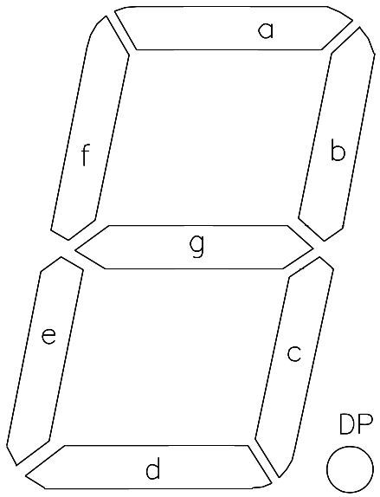
 |  |  | OP1 | OP2 | OP3 | OP4 | OP5 | OP6 | OP7 | OP8*
 |  | MIMIC LED | 49 | 50 | 51 | 52 | 53 | 54 | 55 | 56
 | Event | Item | (a) | (b) | (c) | (d) | (e) | (f) | (g) | -
 | 1 | Mimic Display 1 | OFF | ON | ON | OFF | OFF | OFF | OFF | -
 | 2 | Mimic Display 2 | ON | ON | OFF | ON | ON | OFF | ON | -
 | 3 | Mimic Display 3 | ON | ON | ON | ON | OFF | OFF | ON | -
 | 4 | Mimic Display 4 | OFF | ON | ON | OFF | OFF | ON | ON | -
 | 5 | Mimic Display 5 | ON | OFF | ON | ON | OFF | ON | ON | -
 | 6 | Mimic Display 6 | ON | OFF | ON | ON | ON | ON | ON | -

